Sheet1
Introduction
1) Background
- Conventionally, when using genomic datasets as input features, many research made each feature variable independently {a1,a2,b1,b2 …}
- this does not capture the relationship between taxon which can cause information loss

- 미생물 데이터와 같이 계층 구조 (Hierarchy)를 가진 데이터의 표현 학습
- 계층상 가까운 노드는 표현 공간에서도 가깝게 위치해야함
- 혐기소화 미생물 특징: Bacteria, Archaea가 공존/상호의존하며 메탄 생성 메커니즘 이룸. 둘은 계통학적으로는 멀리 떨어져 있지만 이러한 관계로 인해 syntrophic relation을 갖는 bacteria 와 archaea 는 embedding space 에서 고유한 매핑 관계를 형성할 것
- relative abundance 만 넣게 되면 미생물 군집 간의 관계성에 대한 정보 x, hierarchy가 고려되면 space 안에서 비슷한 미생물 군집이 비슷한 원인을 제공하여 결과를 제시

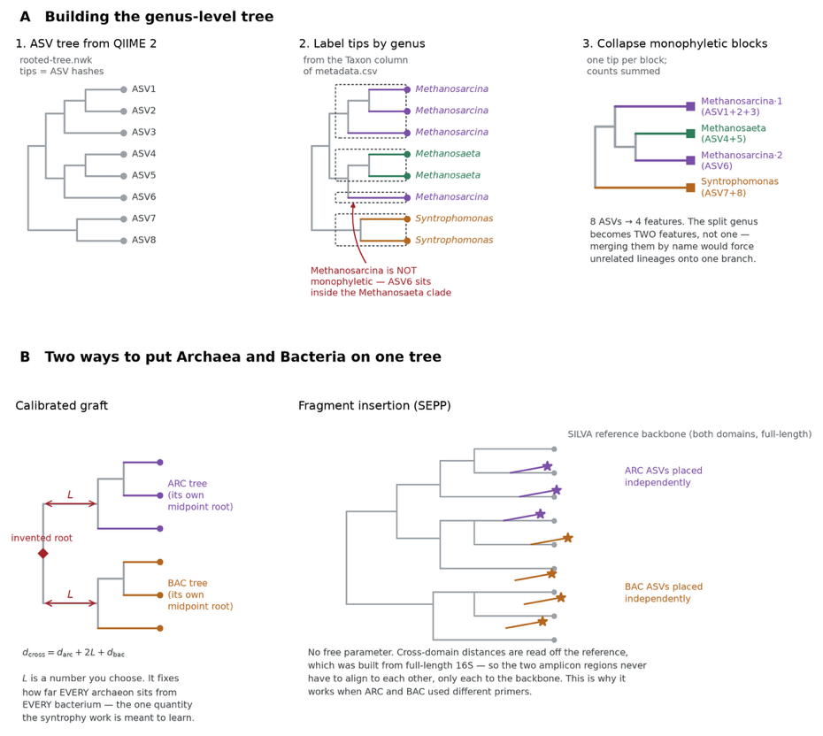
0) Dataset
- low resolution at species level (~ 80% unclassified), high dimensional => built trees, taxonomic classification at genus level

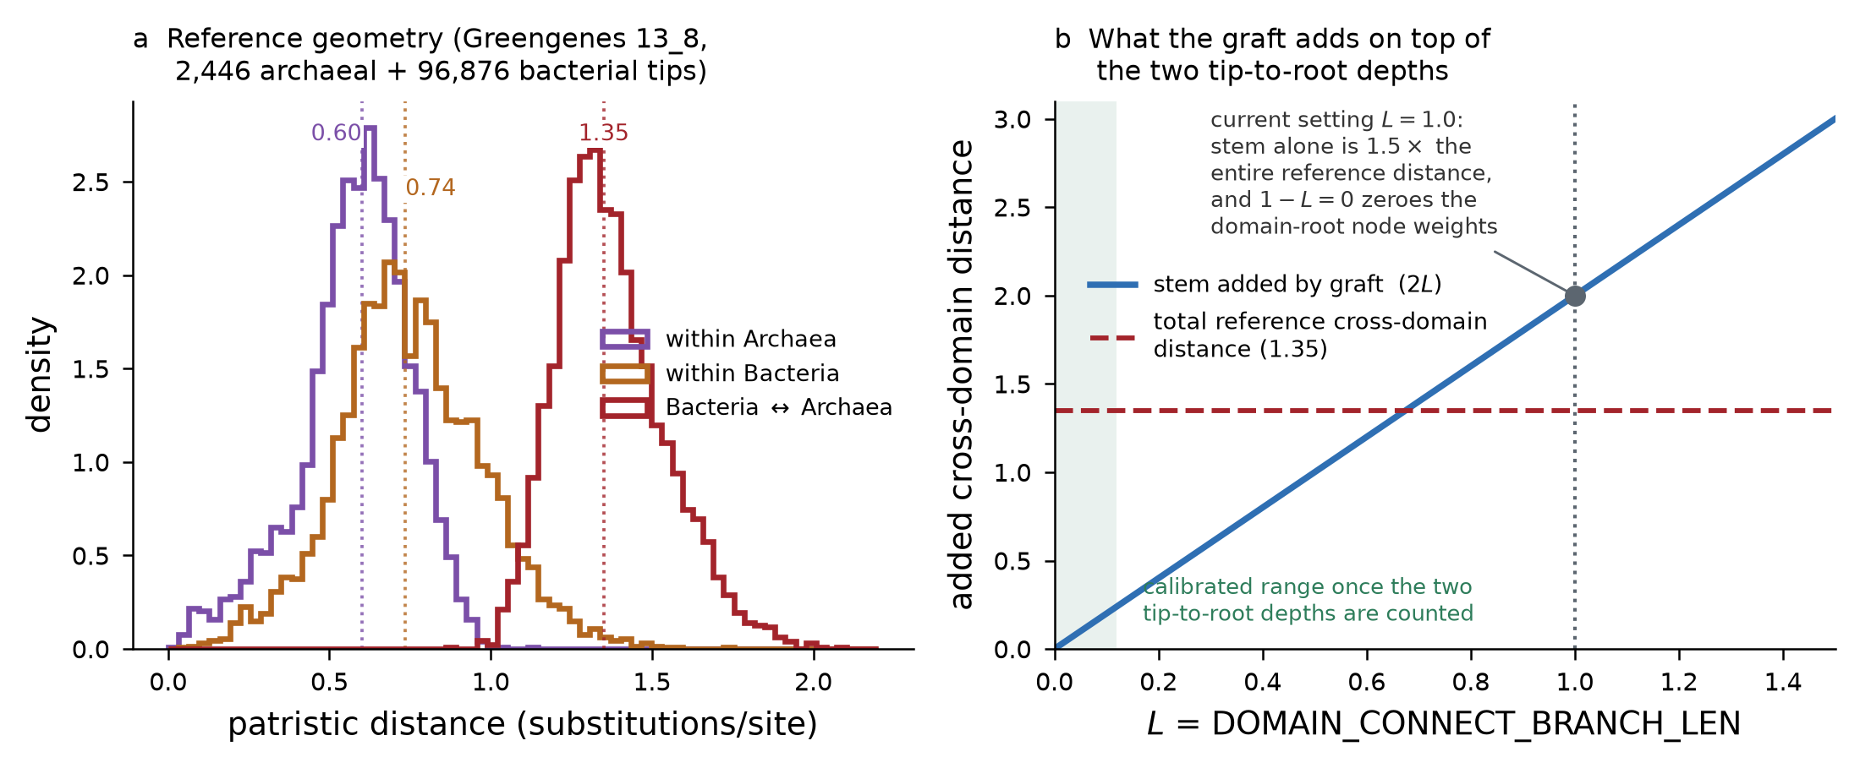
type | nwk
single domain | root = BAC/ARC
merged domain | root = domain | -> simply grafting two top tips will give L=2 -> larger distance than actual tips distance (1.35) -> calibrate to L = (1.350 − mean_arc_tip_depth − mean_bac_tip_depth)/2

1) Stability indicator |  |  |  |  |  |  | [result] |  |  | imbalanced dataset handling in multi-output classification
Indicator | Parameter / Metric | Normal Range | Warning Flag Threshold | Associated Risk | ref |  | Positive | negative |  | 1) loss fucntion: nn.BCEWithLogitsLoss with pos_weight [1],[2]
Acid-Base Balance | pH | 6.8 – 7.8 | < 6.5 or > 8.0 | Souring or free ammonia toxicity | [1] |  | 21 | 119 |  | 2) evaluation metrics: mcc, AUPR [3][4]
Buffer Capacity | TVFA/Alk | < 0.30 | >=0.30 | Destruction of bicarbonate buffer | [1],[2] |  | 9 | 131
Acid Accumulation | HPr/Hac | < 1.0 | (> 1.4 and HPr > 0.1) or HPr >=0.8 | Syntrophic acetogenesis failure | [1],[3] |  | 4 | 136 |  | [1] Cui, Y., Jia, M., Lin, T. Y., Song, Y., & Belongie, S. (2019, June). Class-balanced loss based on effective number of samples. In 2019 IEEE/CVF conference on computer vision and pattern recognition (CVPR) (pp. 9260-9269). IEEE.
Ammonia Toxicity | TAN | < 1,500mg/L | > 2,500 mg/L | Methanogenic growth inhibition | [3] |  | 26 | 114 |  | [2] Lin, T. Y., Goyal, P., Girshick, R., He, K., & Dollár, P. (2017). Focal loss for dense object detection. In Proceedings of the IEEE international conference on computer vision (pp. 2980-2988).
Biogas Quality | CH4 | 55% - 70% | < 50% | Shift to acidogenesis / gas loss | [1] |  | 7 | 133 |  | [3] Richardson, E., Trevizani, R., Greenbaum, J. A., Carter, H., Nielsen, M., & Peters, B. (2024). The receiver operating characteristic curve accurately assesses imbalanced datasets. Patterns, 5(6).
 |  |  |  |  |  |  | challenge: imbalanced result |  |  | [4] Chicco, D., & Jurman, G. (2020). The advantages of the Matthews correlation coefficient (MCC) over F1 score and accuracy in binary classification evaluation. BMC genomics, 21(1), 6.
ref
[1] Boe, K., Batstone, D. J., Steyer, J.-P., & Angelidaki, I. (2010). State indicators for monitoring the anaerobic digestion process. Water Research, 44(20), 5973–5980. https://doi.org/10.1016/j.watres.2010.07.043
[2] Chen, L., Zheng, T., Cao, Q., Zhou, Y., Liu, X., & Li, D. (2020). Early warning of instability during mesophilic anaerobic digestion of chicken manure. Applied Ecology and Environmental Research, 18(1), 331–343. https://doi.org/10.15666/aeer/1801_331343
[3] Singh, A., Schnürer, A., Dolfing, J., & Westerholm, M. (2023). Syntrophic entanglements for propionate and acetate oxidation under thermophilic and high-ammonia conditions. The ISME Journal, 17(11), 1966–1978. https://doi.org/10.1038/s41396-023-01504-y

2) Benchmark model |  |  |  |  |  |  |  |  |  |  |  |  | 모델
Model | Hierarchy aware? | BAC & ARC association | physicochemical | genomic data | ref | remark |  |  |  |  |  |  | 1) 각각의 hierarchy 의 relative abundance
Phylo-spec | o | x | x | relative abundance, phylogenetic tree | [4] | tree -> keep as live scaffold -> 1D convolution |  |  |  |  |  |  | 2) hierarchy (tree) + relative abundance
DeepPhylo | o | x | x | relative abundance, phylogenetic tree | [5] | tree -> distance matrix , PCA embedding |  |  |  |  |  |  | 3) hierahcy (tree) + BAC & ARC relationship + relative abundance
PopPhy-CNN | o | x | x | relative abundance, phylogenetic tree | [6] | tree -> 2D image like matrix -> 2D CNN
Random forest | x | x |  | relative abundance
XGBoost | x | x |  | relative abundance
GNN | x | o |  | relative abundance

Evaluation metric for multiple output classification
- cross validation: small number of samples
- MCC : optimized threshold for each target variable
- F2 score: emphasize the Recall since FN is more 치명적 than FP when assessing digesters' state
- AUPR: threshold independent -> good for baseline since if AUPR 상승중 but MCC 낮음 -> 모델 성능은 좋지만 threshold 잘못 선택된 것; TN 수가 너무 커서 지표를 왜곡시키는 것 방지 since it neglects TN value,
- macro average
- workflow : AUPR 기반 모델 선택 -> 검증 시점 MCC 기반 threshold 최적화 -> test data: multiple evaluation metrics

Result

Dataset | Flag | MCC |  |  |  |  | AUPR |  |  |  |  | ROC-AUC |  |  |  |  | model candidates
 |  | Phylum | Class | Order | Family | Genus | Phylum | Class | Order | Family | Genus | Phylum | Class | Order | Family | Genus | Random Forest
Relative abundance | buffer_capacity | 0.00 | 0.00 | 0.47 | 0.00 | 0.00 | 0.03 | 0.25 | 0.25 | 1.00 | 0.04 | 0.50 | 0.96 | 0.96 | 1.00 | 0.57 | KNN
 | acid_base_balance | 0.28 | −0.0128 | 0.24 | 0.24 | 0.24 | 0.33 | 0.23 | 0.28 | 0.31 | 0.57 | 0.71 | 0.67 | 0.73 | 0.68 | 0.88 | SVM
 | acid_accumulation | 1.00 | 0.00 | 0.00 | −0.0357 | 0.41 | 1.00 | 0.25 | 1.00 | 0.03 | 1.00 | 1.00 | 0.96 | 1.00 | 0.50 | 1.00 | NNET | Phylum, Family
 | ammonia_toxicity | 0.71 | 0.71 | 0.78 | 0.88 | 0.78 | 0.44 | 0.63 | 0.84 | 0.87 | 0.54 | 0.92 | 0.93 | 0.97 | 0.98 | 0.95 | XGBoost
 | biogas_quality | −0.0514 | 0.00 | 0.00 | 0.46 | 0.00 | 0.07 | 0.71 | 0.17 | 0.33 | 0.16 | 0.50 | 0.96 | 0.72 | 0.94 | 0.63 | GLMNET | Class, Order, Genus
 | Macro-avg | 0.66 | 0.24 | 0.25 | 0.53 | 0.36 | 0.46 | 0.45 | 0.57 | 0.39 | 0.57 | 0.78 | 0.88 | 0.86 | 0.78 | 0.86

Dataset | Flag | MCC |  |  |  |  | AUPR |  |  |  |  | ROC-AUC
 |  | DeepPhylo | MetaDR | RF | Phylospec | PMCNN | DeepPhylo | MetaDR | RF | Phylospec | PMCNN | DeepPhylo | MetaDR | RF | Phylospec | PMCNN
ARC | buffer_capacity | -0.05 | 0.00 | 0.00 | -0.18 | -0.05 | 0.06 | 0.05 | 0.05 | 0.07 | 0.05 | 0.19 | 0.02 | 0.12 | 0.29 | 0.02
 | acid_base_balance | 0.08 | 0.08 | 0.20 | -0.01 | 0.12 | 0.19 | 0.17 | 0.45 | 0.49 | 0.21 | 0.68 | 0.57 | 0.63 | 0.73 | 0.67
 | acid_accumulation | 0.24 | 0.00 | 0.00 | 0.68 | 0.00 | 0.20 | 0.58 | 0.11 | 0.58 | 0.05 | 0.74 | 0.81 | 0.57 | 0.97 | 0.05
 | ammonia_toxicity | 0.26 | 0.60 | 0.54 | 0.52 | 0.14 | 0.32 | 0.93 | 0.64 | 0.66 | 0.53 | 0.62 | 0.98 | 0.91 | 0.92 | 0.60
 | biogas_quality | -0.07 | 0.00 | 0.00 | -0.06 | -0.05 | 0.07 | 0.11 | 0.06 | 0.20 | 0.20 | 0.57 | 0.73 | 0.50 | 0.87 | 0.87
 | Macro-avg | 0.13 | 0.17 | 0.19 | 0.28 | 0.05 | 0.20 | 0.45 | 0.32 | 0.48 | 0.25 | 0.65 | 0.77 | 0.65 | 0.87 | 0.55
BAC | buffer_capacity | 0.00 | 0.00 | 0.00 | -0.20 | 0.00 | 0.23 | 0.06 | 0.05 | 0.06 | 0.08 | 0.83 | 0.17 | 0.12 | 0.16 | 0.36
 | acid_base_balance | 0.20 | 0.16 | -0.09 | -0.08 | 0.21 | 0.54 | 0.20 | 0.18 | 0.17 | 0.25 | 0.83 | 0.69 | 0.68 | 0.54 | 0.60
 | acid_accumulation | 0.00 | 0.00 | 0.00 | 0.00 | 0.00 | 0.38 | 0.20 | 0.07 | 0.09 | 0.11 | 0.88 | 0.79 | 0.28 | 0.50 | 0.57
 | ammonia_toxicity | 0.14 | 0.59 | 0.60 | 0.59 | 0.55 | 0.37 | 0.49 | 0.44 | 0.50 | 0.41 | 0.82 | 0.88 | 0.87 | 0.88 | 0.85
 | biogas_quality | 0.00 | 0.00 | 0.00 | 0.00 | 0.00 | 0.03 | 0.07 | 0.09 | 0.06 | 0.17 | 0.00 | 0.57 | 0.67 | 0.47 | 0.83
 | Macro-avg | 0.09 | 0.19 | 0.13 | 0.13 | 0.19 | 0.33 | 0.24 | 0.19 | 0.21 | 0.24 | 0.63 | 0.73 | 0.63 | 0.60 | 0.71
merged | buffer_capacity | -0.05 | 0.00 | 0.00 | -0.12 | -0.07 | 0.08 | 0.05 | 0.06 | 0.05 | 0.10 | 0.43 | 0.12 | 0.14 | 0.03 | 0.55
 | acid_base_balance | 0.15 | 0.12 | 0.36 | 0.14 | 0.21 | 0.20 | 0.28 | 0.29 | 0.15 | 0.31 | 0.57 | 0.76 | 0.73 | 0.50 | 0.61
 | acid_accumulation | 0.00 | 0.00 | 0.00 | 0.31 | 0.00 | 0.10 | 0.14 | 0.06 | 0.75 | 0.08 | 0.53 | 0.69 | 0.17 | 0.97 | 0.36
 | ammonia_toxicity | 0.18 | 0.59 | 0.60 | 0.55 | 0.30 | 0.35 | 0.44 | 0.48 | 0.84 | 0.38 | 0.80 | 0.86 | 0.88 | 0.95 | 0.80
 | biogas_quality | 0.00 | 0.00 | 0.00 | 0.23 | 0.00 | 0.20 | 1.00 | 0.07 | 0.09 | 0.07 | 0.87 | 1.00 | 0.57 | 0.67 | 0.53
 | Macro-avg | 0.08 | 0.18 | 0.24 | 0.31 | 0.13 | 0.21 | 0.47 | 0.22 | 0.46 | 0.21 | 0.69 | 0.83 | 0.59 | 0.77 | 0.58

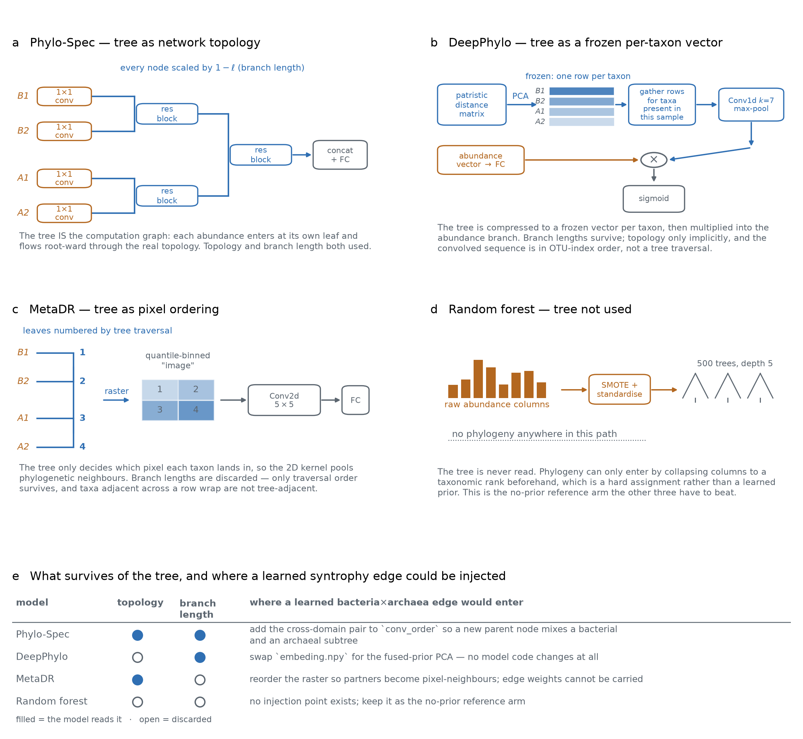

Model | Accuracy | MCC | ROC-AUC | AUPR
CNN | 0.6690 ± 0.0841 | 0.0381 ± 0.1014 | 0.6226 ± 0.1168 | 0.2866 ± 0.0908
MetaDR | 0.8135 ± 0.0595 | 0.2606 ± 0.0943 | 0.7440 ± 0.0415 | 0.4673 ± 0.0587
PMCNN | 0.8699 ± 0.0277 | 0.2135 ± 0.1184 | 0.6922 ± 0.1098 | 0.3836 ± 0.1279
RF | 0.9129 ± 0.0201 | 0.1393 ± 0.0732 | 0.8222 ± 0.0507 | 0.5577 ± 0.0866
DeepPhylo | 0.8841 ± 0.0285 | 0.1885 ± 0.0661 | 0.7956 ± 0.0150 | 0.4665 ± 0.0808
BAC
Model | Accuracy | MCC | ROC-AUC | AUPR
CNN | 0.7257 ± 0.0666 | 0.2134 ± 0.1181 | 0.7625 ± 0.0959 | 0.4690 ± 0.1691
MetaDR | 0.8743 ± 0.0411 | 0.2781 ± 0.1427 | 0.7969 ± 0.0787 | 0.4196 ± 0.1039
PMCNN | 0.8871 ± 0.0245 | 0.3341 ± 0.1723 | 0.7852 ± 0.1174 | 0.4618 ± 0.1632
RF | 0.9271 ± 0.0228 | 0.2693 ± 0.1307 | 0.7887 ± 0.1105 | 0.5190 ± 0.1469
DeepPhylo | 0.8857 ± 0.0326 | 0.2516 ± 0.1950 | 0.7865 ± 0.1271 | 0.4377 ± 0.1426
merged
Model | Accuracy | MCC | ROC-AUC | AUPR
CNN | 0.7517 ± 0.0632 | 0.2446 ± 0.0573 | 0.7659 ± 0.0314 | 0.4285 ± 0.0541
MetaDR | 0.8685 ± 0.0341 | 0.2291 ± 0.0395 | 0.7563 ± 0.0395 | 0.4172 ± 0.0738
PMCNN | 0.8942 ± 0.0187 | 0.3039 ± 0.0793 | 0.8034 ± 0.0288 | 0.5234 ± 0.0439
RF | 0.9216 ± 0.0243 | 0.1735 ± 0.0612 | 0.8214 ± 0.0602 | 0.5477 ± 0.1261
DeepPhylo | 0.8901 ± 0.0353 | 0.3307 ± 0.1393 | 0.8076 ± 0.0645 | 0.5287 ± 0.0926

